Sheet1
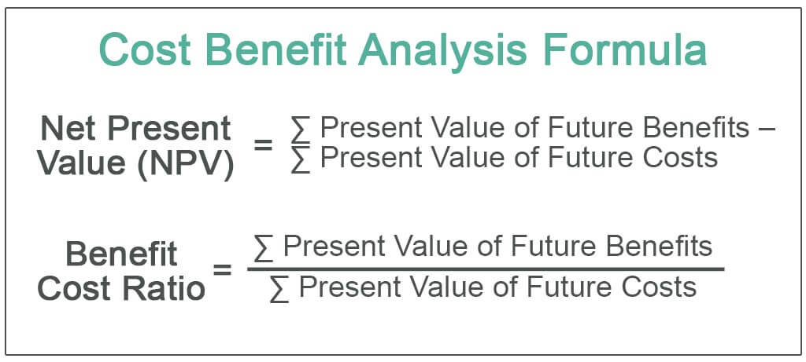
Cost benefit Analysis
Particulars | Amount
Present value of Future Benefit | 600

Present value of Future Cost | 400

Net Present Value (NPV) | 200

Benefit Cost Ratio
Particulars | Amount
Present value of Future Benefit | 600 | https://www.wallstreetmojo.com/cost-benefit-analysis-formula/

Present value of Future Cost | 400

Benefit Cost Ratio | 1.5

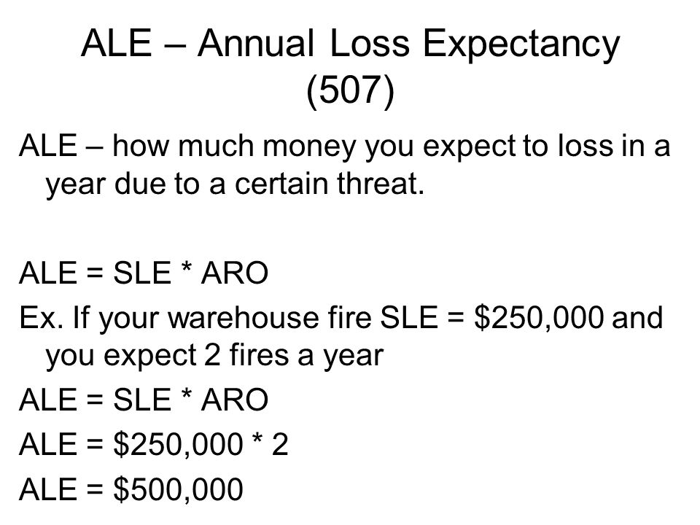

 |  |  | https://blog.netwrix.com/2018/08/07/how-to-calculate-return-on-security-investment/
Annualized Loss Expentancy
Particulars | Amount
Single Loss Expentency (SLE) | 1500000

Annualized Rate of Occurrence (ARO) | 1

 | 1500000

Single Loss Expentency (SLE)
Particulars | Amount | https://www.skillset.com/questions/single-loss-expectancy-sle-represents-an-organization-s-loss-from-a-single-threat-which-of-the-follo#:~:text=It%20is%20mathematically%20expressed%20as,or%20percentage%20of%20asset%20lost.
Asset Value (AV) | 5000000

Exposure Factor (EF) | 0.3

 | 1500000

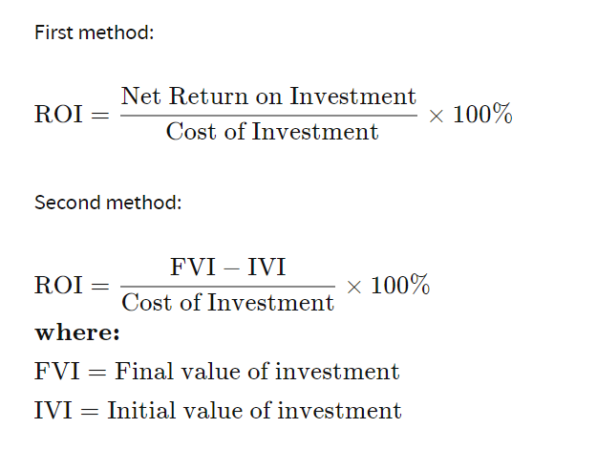

Return of Investment (ROI)
Particulars | Amount
Initial Value of Investment (IVI)

Final Value of Investment (FVI)

Cost of Investment

 | #DIV/0!

Risk Factor
Particulars | Amount
Probability | 0.8

Impact/Loss | 0.5

 | 0.4

